CLARKS Girls and Boy Shoes
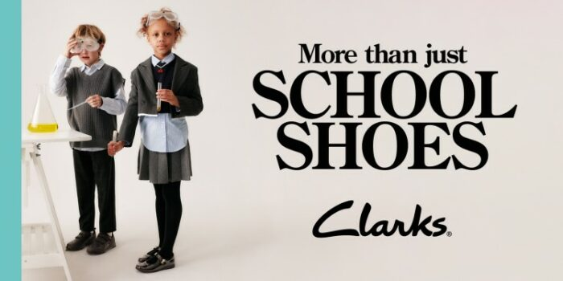
Item Description | Sizes | Total Units | Retail Price | Total Retail Price | Photo
Girls Clarks Bow Trim School Shoes Dance Shout | 8-4.5 | 284 | $65.00 | $18,460.00 | 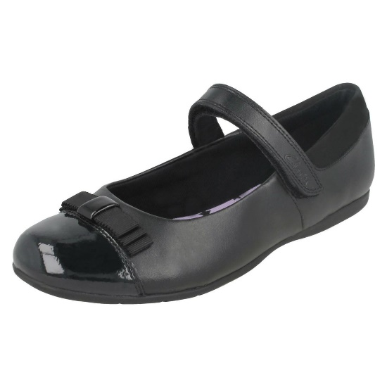
Girls Clarks Hook & Loop School Shoes Jamie Star |  | 146 | $65.00 | $9,490.00 | 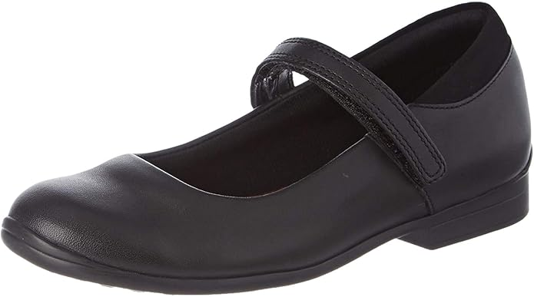
Clarks Girl's Jesse Shine Black Leather Ballet Flats |  | 230 | $65.00 | $14,950.00 | 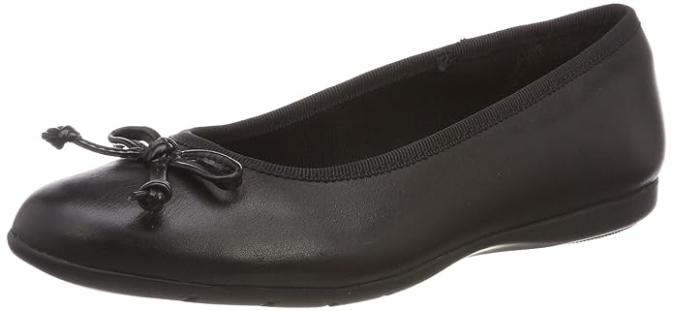
Clarks Junior Sami Sugar Black Leather |  | 150 | $65.00 | $9,750.00 | 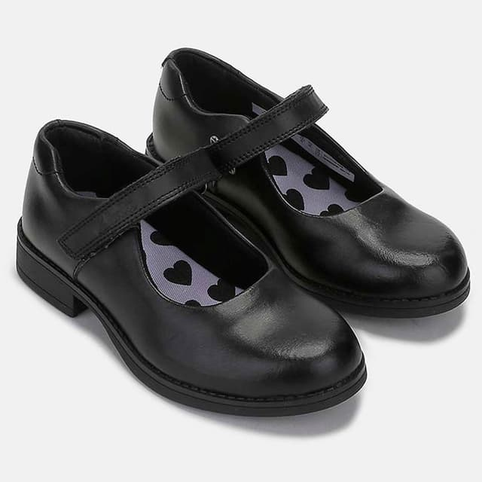
Assorted Styles |  | 249 | $65.00 | $16,185.00 | 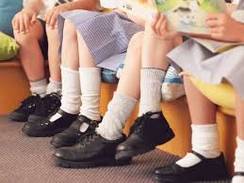
Clarks Deaton Infant Black Leather Derby Style Boys School Shoes | 10.5 to 6 | 517 | $65.00 | $33,605.00 | 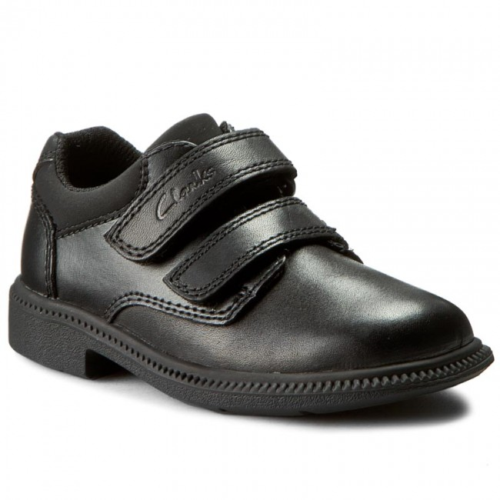
Boys Clarks Smart School Shoes Deaton Gate |  | 126 | $65.00 | $8,190.00 | 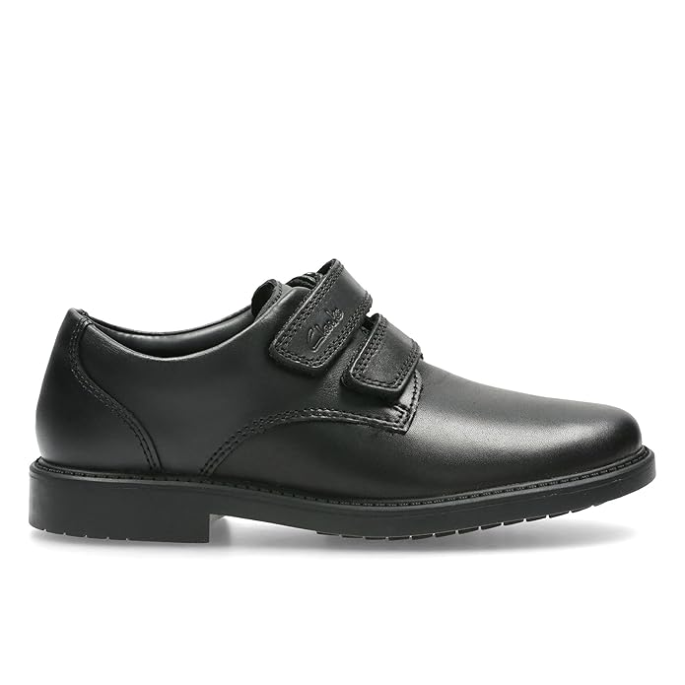
 |  | 1702 |  | $110,630.00

